Sheet1
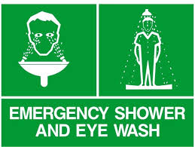
PRICE LIST

 |  | EYE WASH SHOWER

EYE WASH SHOWER

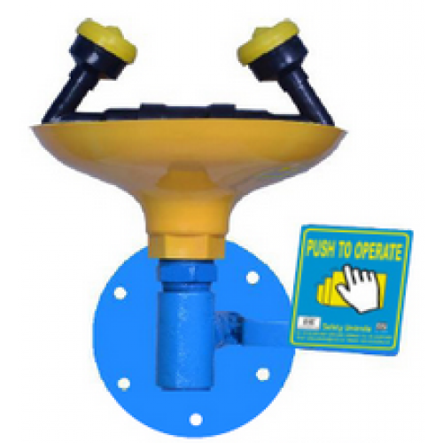
S.NO | ITEM NAME |  | MODEL.N. | PACKING | PRICE
1 | EYE WASH |  | GISU-1033 | 1/PC | 2990/-
 | AD HOC-GISU-1033
 | LABORATORY WALL MOUNTED
 | EYE WASH

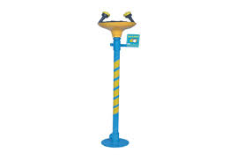
2 | EYE FACE WASH |  | GISU-1051 | 1/PC | 2990/-
 | AD HOC-GISU-1051
 | EYE /FACE WASH
 | PUSH LEVER OPERATED

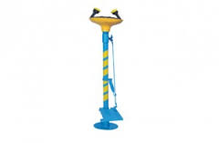
3 | EYE FACE WASH |  | GISU-1052 | 1/PC | 3224/-
 | AD HOC-GISU-1052
 | EYE /FACE WASH
 | FOOT PEDAL OPERATED

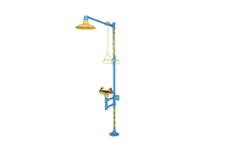
4 | EYE FACE WASH SHOWER |  | GISU-1091 | 1/PC | 4615/-
 | AD HOC-GISU-1091
 | EYE /FACE WASH AND SHOWER
 | OPERATE INDEPENDENTLY BY-PUSH
 | LEVER AND PULL ROD

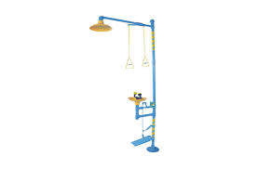
5 | EYE FACE WASH SHOWER |  | GISU-1091 | 1/PC | 4850/-
 | AD HOC-GISU-1092
 | EYE /FACE WASH AND SHOWER
 | OPERATE INDEPENDENTLY BY-FOOT
 | PEDAL AND PULL ROD

6 | WASH AND SHOWER |  | GISU-1093 | 1/PC | 5200/-
 | AD HOC-GISU-1093
 | EMERGENCY COMBINATION EYE/FACE
 | WASH PUSH LEVER & PEDAL
 | OPERATED & DRENCH SHOWER-PULL
 | ROD OPERATED

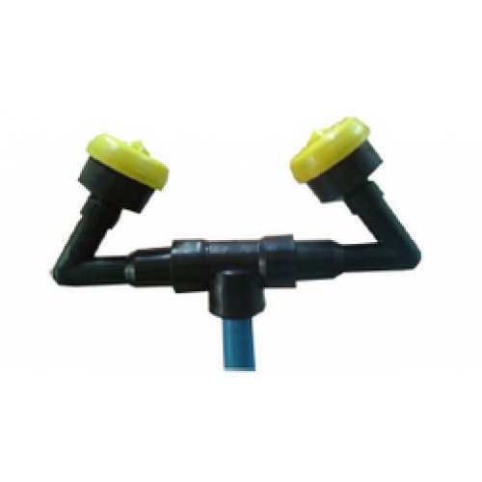
7 | EMERGENCY EYE WASH & |  |  | 1/PC | 163/-
 | SAFETY SHOWER
 | ABS SLIM - LINE ATOMISER UNIT WITH
 | POP-UP DUST COVERS

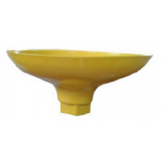

8 | EMERGENCY EYE WASH & |  |  | 1/PC | 163/-
 | SAFETY SHOWER
 | ABS EYE WASH BOWL

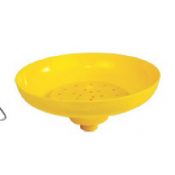

9 | EMERGENCY EYE WASH & |  |  | 1/PC | 163/-
 | SAFETY SHOWER
 | ABS SHOWER HEAD

Sheet2
PRICE LIST

EYE WASH SHOWER

S.NO | ITEM NAME | MODEL .N. | PACKING | PRICE
1 | EYE WASH | SSSU-1032 | 1/PC | 7800/-
 | AD HOC-SSSU-1032
 | LABORATORY WALL MOUNTED
 | EYE WASH

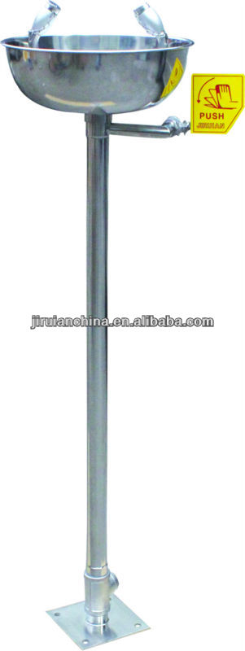
2 | EYE FACE WASH | SSSU-1075 | 1/PC | 10400/-
 | AD HOC-SSSU-1075
 | 304 EYE /FACE WASH
 | PUSH LEVER OPERATED

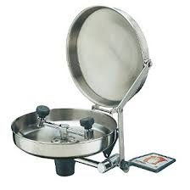
3 | EYE FACE WASH | SSSU-1076 | 1/PC | 10400/-
 | AD HOC-SSSU-1076
 | EYE /FACE WASH PUSH + PEDAL
 | LEVER OPERATED WITH
 | PROTECTIVE COVE
 | TO PREVENT AIR BORNE
 | CONTAMINANTS FROM ENTERING
 | THE EYAWASH HEADS.

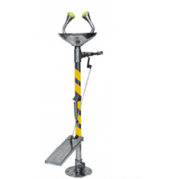
4 | EYE FACE WASH | SSSU-1077 | 1/PC | 11180/-
 | AD HOC-SSSU-1077
 | 340 EYE / FACE WASH - FOOT PEDAL
 | OPERATED

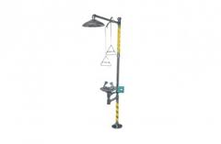
5 | WASH AND SHOWER | SSSU-2011 | 1/PC | 19500/-
 | AD HOC-SSSU-2011
 | EYE / FACE WASH AND SHOWER
 | OPERATE INDEPRNDETLY BY -PISH
 | LEVER PULL ROD

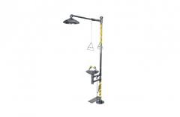
6 | WASH AND SHOWER | SSSU-2012 | 1/PC | 20800/-
 | AD HOC-SSSU-2012
 | EYE /FACE WASH AND SHOWER
 | OPERATE INDEPENTLY BY - FOOT
 | PEDAL AND PULL ROD

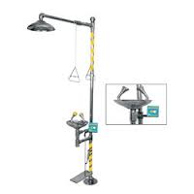
7 | WASH AND SHOWER | SSSU-2013 | 1/PC | 22100/-
 | AD HOC-SSSU-2013
 | EMERGENCY COMBINATION
 | EYE / FACE WASH PUSH LEVER &
 | PEDAL OPERATED & DRENCH
 | SHOWER-PULL ROD OPERATED

